spo 12.12 to 31.03
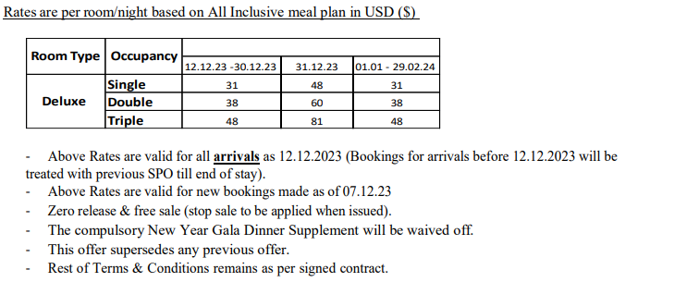
first date | second date | SGL | DBL | TPL
2023-12-12 | 2023-12-30 | 31 | 38 | 48
2023-12-31 | 2023-12-31 | 48 | 60 | 81
2024-01-01 | 2024-03-31 | 31 | 38 | 48

